Information gain (training)
It is advantageous to be able to quantify how much information is actually gained, whether that information is based upon learning a new fact, purchasing a database, or developing a machine learning forecasting system, etc. This “quantification” of information would make it easier to assign a dollar value to these types of investments. This note will focus on methods for quantifying the actual reduction in uncertainty or informational content for those types of analytics investments.
 |  |  |  |  |  |  |  |  | The spreadsheet outputs entropy (information) measures for all relevant distributions.

Confusion Matrix |  |  |  | Test Classification Y |  |  |  |  |  | Percentage Information Gain (P.I.G.)
 |  |  |  | [optical scanner on assembly line] |  |  |  |  |  | A correlation measure defined as mutual information between X and Y
 |  |  |  | "Positive" |  | "Negative" |  |  |  | divided by the entropy of the Condition X
 |  |  |  | 0.205 | c | 0.795 | d |  |  | I(X;Y) | 0.0997 | bits
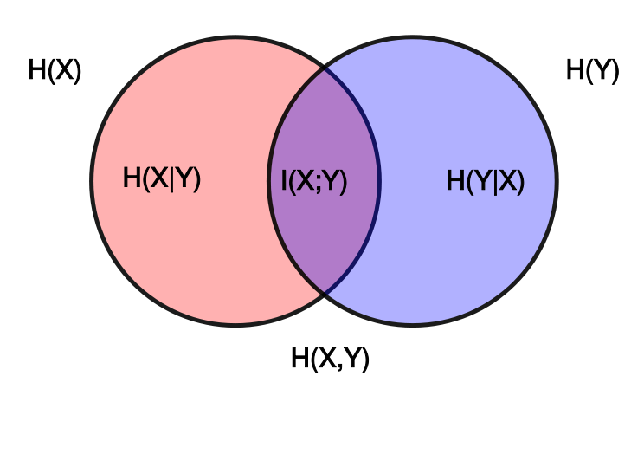
 |  |  |  |  |  |  |  |  |  | divided by
Condition X | "+" | 0.25 | a | 0.12 | e | 0.13 | f |  |  | H(X) | 0.8113 | bits
[defective computer chip] |  |  |  |  |  |  |  |  |  | equals
 | "-" | 0.75 | b | 0.085 | g | 0.665 | h |  |  |  | 12.29%
 |  |  |  |  |  |  |  |  |  | Average reduction in uncertainty of one outcome in X upon learning one outcome in Y

Individual Probabilities |  | Name
P("+") | a | Incidence of Condition "+" |  |  |  |  |  | H(X) | = a*log(1/a) | + b*log(1/b) |  | I(X;Y) = | H(X) | - H(X|Y)
p("-") | b | Incidence of "Condition "-" |  |  |  |  |  | 0.8113 | 0.5000 | 0.3113 |  | 0.0997 | 0.8113 | 0.7116
p(Test POS) | c | Classification Incidence "POS"
p(Test NEG) | d | Classification Incidence "NEG" |  |  |  |  |  |  |  |  |  | I(X;Y) = | H(Y) | - H(Y|X)
p(Test POS, "+") | e | True Positives |  |  |  |  |  | H(Y) | = c*log(1/c) | + d*log(1/d) |  | 0.0997 | 0.7318 | 0.6321
p(Test NEG, "+") | f | False Negatives |  |  |  |  |  | 0.7318 | 0.4687 | 0.2631
p(Test "POS, "-") | g | False Positives |  |  |  |  |  |  |  |  |  | I(X;Y) = | H(X) | + H(Y) | - H(X,Y)
p(Test "NEG", "-") | h | True Negatives |  |  |  |  |  |  |  |  |  | 0.0997 | 0.8113 | 0.7318 | 1.4434

Probability Distributions |  |  |  | Name |  |  |  | H(X,Y) | = e*log(1/e) | + f*log(1/f) | + g*Log(1/g) | + h*log(1/h)
P(X) |  | p(a,b) |  | Probability of the Condition |  |  |  | 1.4434 | 0.3671 | 0.3826 | 0.3023 | 0.3914
P(Y) |  | p(c,d) |  | Probability of the Classification
p(X,Y) |  | p(e,f,g,h) |  | Joint Distribution of X and Y |  |  |  | 0.12 | e | 0.13 | f | 0.09 | g | 0.67 | h
P(X)p(Y) |  | p(ac,ad,bc,bd) |  | Product Distribution of X and Y |  |  |  | 0.05125 | ac | 0.20 | ad | 0.15 | bc | 0.60 | bd

Definition of Independence P(X,Y) = P(X)p(Y)
X, Y Independent or Dependent?
Dependent |  |  |  |  |  |  |  | Mutual Information I(X:Y) = Relative Entropy of Joint and Product Distributions --- D(p(X,Y||p(X)p(Y))
 |  |  |  |  |  |  |  | = e*log(e/ac) | 0.14728925953 | + f*log(f/ad) | -0.079617620829 | + g*log(g/bc) | -0.072679391448 | + h*log(h/bd) | 0.10469559136
Conditional Probabilities |  |  |  | Name |  |  |  | 0.0997
p(Test POS | "+") |  | e/a | 0.48 | True Positive Rate
p(Test NEG | "+") |  | f/a | 0.52 | False Negative Rate |  |  |  |  |  |  |  |  |  |  |  | Copyright Daniel Egger/ Attribution 4.0 International (CC BY 4.0)
p(Test POS | "-") |  | g/b | 0.11 | False Positive Rate |  |  |  | H(Y|X) | = (a | *H(e/a, f/a)) | + | (b | *H(g/b, h/b) |  |  | Venn diagram courtesy of Konrad Voelkel - Wikipedia: https://en.wikipedia.org/wiki/Information_diagram
p(Test NEG | "-") |  | h/b | 0.89 | True Negative Rate |  |  |  |  | 0.2500 | 0.9988 |  | 0.7500 | 0.5099
 |  |  |  |  |  |  |  | 0.6321
p("+" | Test POS) |  | e/c | 0.59 | Positive Predictive Value (PPV)
p( "-" | Test POS) |  | g/c | 0.41 | 1- PPV
p("+" | Test NEG) |  | f/d | 0.16 | 1- NPV |  |  |  | H(X|Y) | = (c | *H(e/c, g/c) | + | (d | *H(f/d, h/d)
p("-" | Test NEG) |  | h/d | 0.84 | Negative Predictive Value (NPV) |  |  |  |  | 0.2050 | 0.9789 |  | 0.7950 | 0.6427
 |  |  |  |  |  |  |  | 0.7116
"Relative Entropy" of p and q, written D(p||q)
is the summation of all p(i)*log(p(i)/qIi)
It is also called "Kullback-Leibler Divergence" (or "KL Divergence" for short)
The Relative Entropy of the Joint distribution p [row 28] and the product distribution q [row 29] is the mutual information [cell L35]
[Note that this definition is not required for Course - advanced topic]

